Sheet1
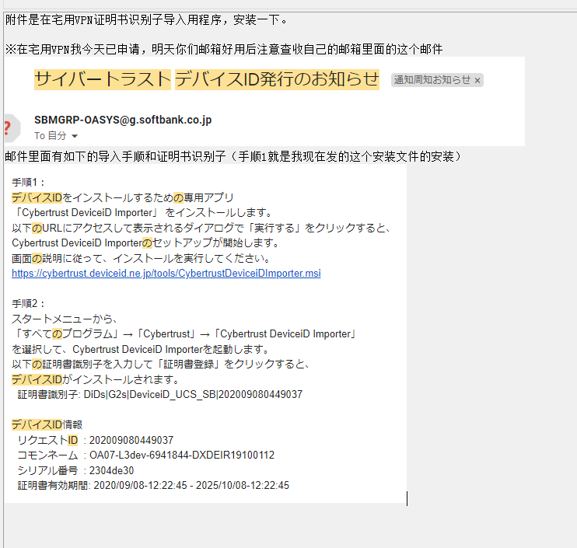
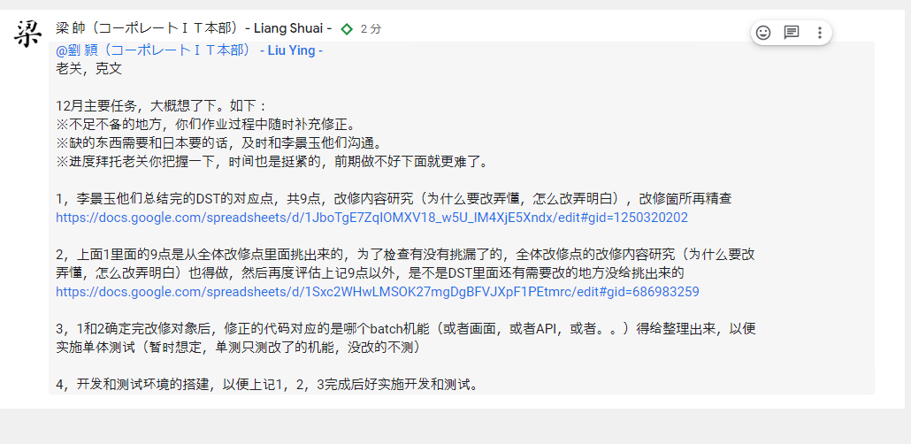

https://rds01.tm.softbank.jp/RDWeb/Pages/ja-JP/login.aspx?ReturnUrl=/RDWeb/Pages/ja-JP/Default.aspx

BB/lik99
B71b734b5a

Sheet2
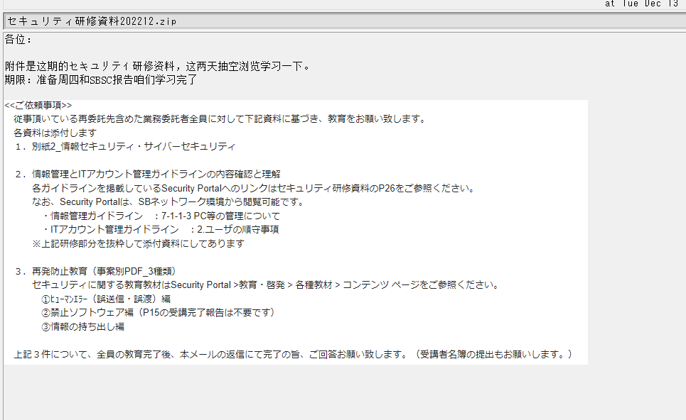

java
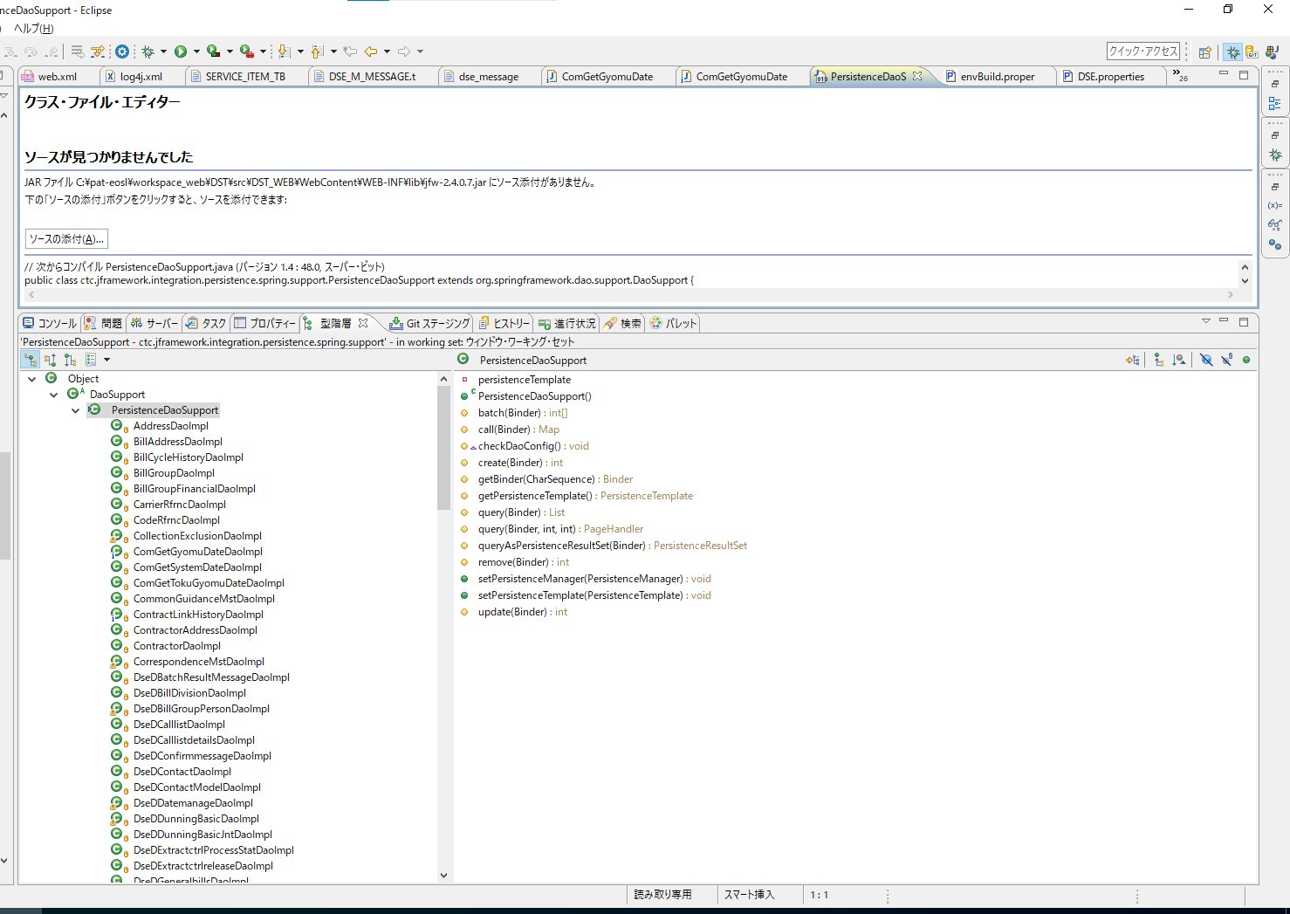
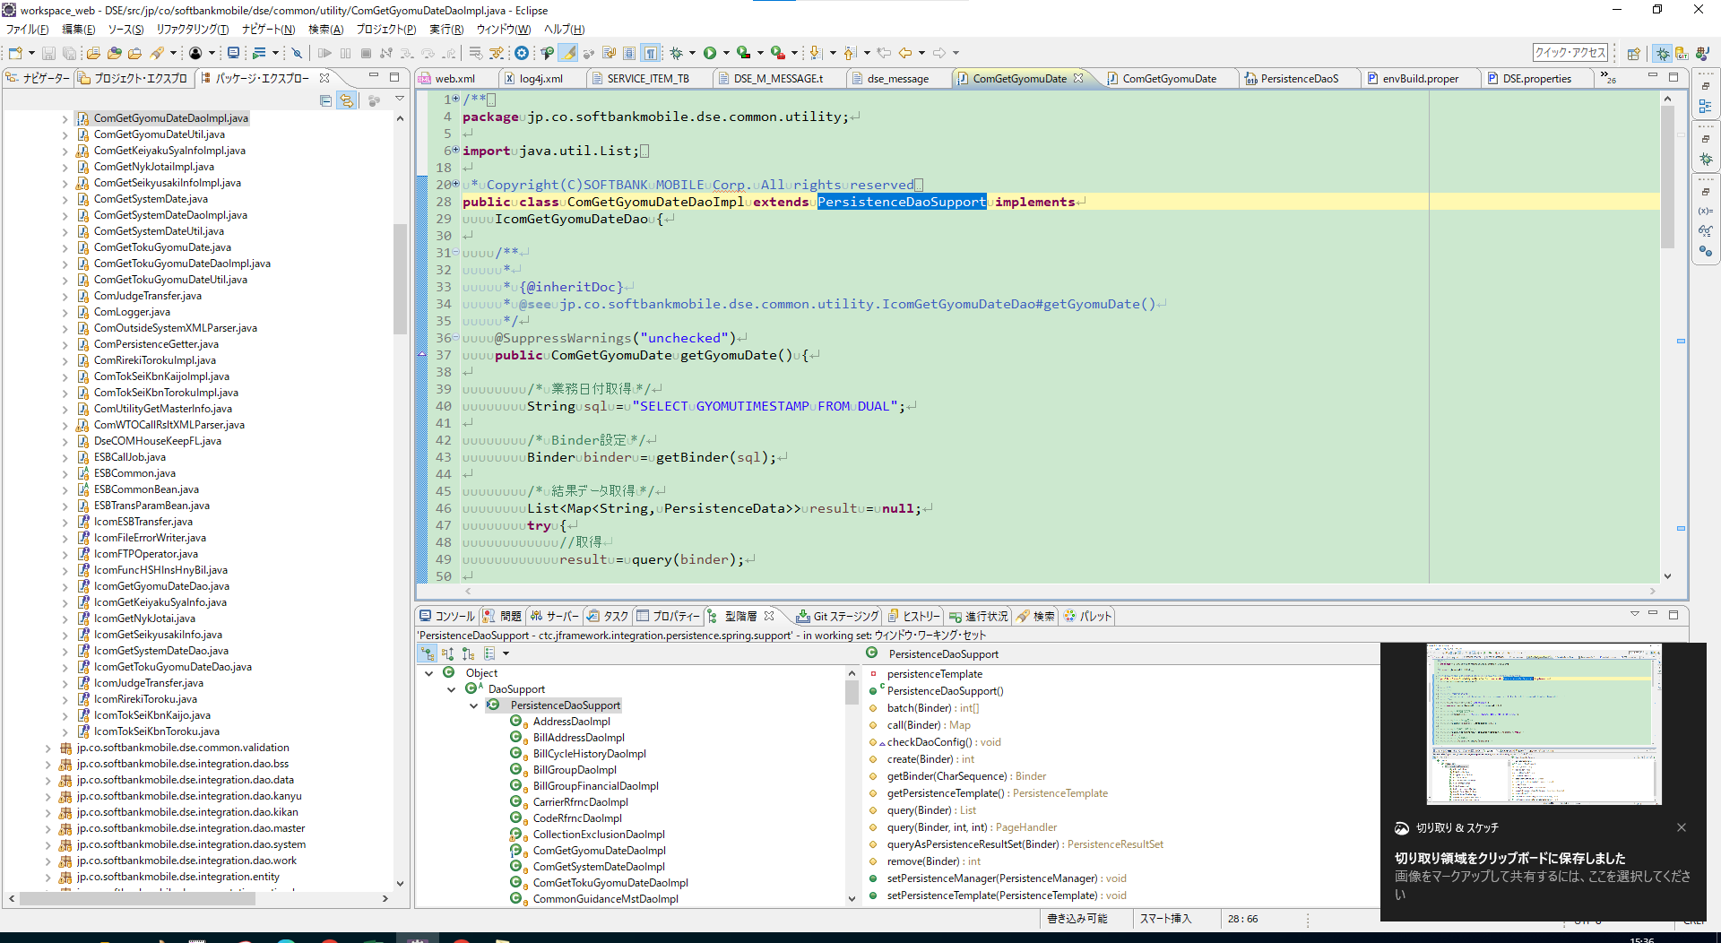

修正不要か？

tbl
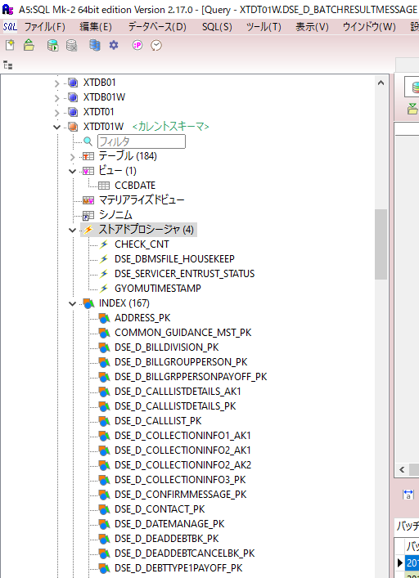
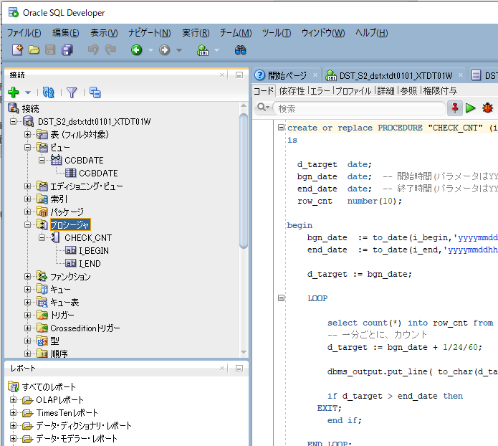

CREATE OR REPLACE FUNCTION "GYOMUTIMESTAMP"
RETURN TIMESTAMP
IS
vGyomuTS TIMESTAMP(3) DEFAULT SYSTIMESTAMP;
vUnyoFlg char(1) DEFAULT 0;
BEGIN
BEGIN
SELECT trim(CONTEXT)
INTO vUnyoFlg
FROM DSE_M_CONDITIONSETTING
WHERE KEYWORD = 'COM_GYOMU_DATE_FLG';
EXCEPTION
WHEN NO_DATA_FOUND THEN
RAISE_APPLICATION_ERROR(-20001, 'DSE独自Fnc:GYOMUTIMESTAMP例外：COM_GYOMU_DATE_FLGが取得できませんでした。');
WHEN OTHERS THEN
RAISE_APPLICATION_ERROR(-20002, 'DSE独自Fnc:GYOMUTIMESTAMPが異常終了しました。：'||SQLERRM);
END;
BEGIN
SELECT DECODE(vUnyoFlg,'1',to_timestamp(CCBDATE||to_char(systimestamp, 'HH24MISSFF3'), 'YYYYMMDDHH24MISSFF3'),SYSTIMESTAMP)
INTO vGyomuTS
FROM CCBDATE;
EXCEPTION
WHEN NO_DATA_FOUND THEN
RAISE_APPLICATION_ERROR(-20003, 'DSE独自Fnc:GYOMUTIMESTAMP例外：CCBDATEが取得できませんでした。');
WHEN OTHERS THEN
RAISE_APPLICATION_ERROR(-20004, 'DSE独自Fnc:GYOMUTIMESTAMPが異常終了しました。：'||SQLERRM);
END;
RETURN vGyomuTS ;
END;

CREATE OR REPLACE PROCEDURE "CHECK_CNT" (i_begin in varchar2,i_end in varchar2 )
is
d_target date;
bgn_date date; -- 開始時間(パラメータはYYYYMMDDHH24MISS)
end_date date; -- 終了時間(パラメータはYYYYMMDDHH24MISS)
row_cnt number(10);
begin
bgn_date := to_date(i_begin,'yyyymmddhh24miss');
end_date := to_date(i_end,'yyyymmddhh24miss');
d_target := bgn_date;
LOOP
select count(*) into row_cnt from DSE_D_BILLGROUPPERSON as of timestamp(d_target);
-- 一分ごとに、カウント
d_target := bgn_date + 1/24/60;
dbms_output.put_line( to_char(d_target,'yyyymmdd hh24miss')||' : '||to_char(row_cnt));
if d_target > end_date then
EXIT;
end if;
END LOOP;
exception
when others then
dbms_output.put_line( sqlerrm);
end;

CREATE OR REPLACE FUNCTION "DSE_DBMSFILE_HOUSEKEEP"
(
pKeepDays IN PLS_INTEGER
)
RETURN PLS_INTEGER
IS
vBaseDateTime CHAR(14);
vFileExist BOOLEAN;
vFileSize NUMBER;
vBlockSize NUMBER;
vRemoveCnt PLS_INTEGER;
CURSOR vcCursor IS SELECT directory_object_name, file_name
FROM dse_s_dbmsfilemanage
WHERE file_create_datetime < vBaseDateTime
AND remove_flg = 1;
BEGIN
vRemoveCnt := 0;
BEGIN
-- 基準日時の取得
SELECT to_char(sysdate - pKeepDays, 'YYYYMMDDHH24MISS')
INTO vBaseDateTime
FROM dual;
-- dbms_output.put_line('vBaseDateTime:' || vBaseDateTime);
EXCEPTION
WHEN NO_DATA_FOUND THEN
RAISE_APPLICATION_ERROR(-20011, 'DSE独自Fnc:DSE_DBMSFILE_HOUSEKEEP例外：基準日が取得できませんでした。');
WHEN OTHERS THEN
RAISE_APPLICATION_ERROR(-20012, 'DSE独自Fnc:DSE_DBMSFILE_HOUSEKEEPが異常終了しました。：'||SQLERRM);
END;
BEGIN
-- 削除対象ファイルのループ
FOR vRec IN vcCursor LOOP
-- dbms_output.put_line('directory_object_name:'||vRec.directory_object_name);
-- dbms_output.put_line('file_name:'||vRec.file_name);
-- ファイルが存在すれば削除
utl_file.fgetattr(vRec.directory_object_name, vRec.file_name, vFileExist, vFileSize, vBlockSize);
IF ( vFileExist ) THEN
utl_file.fremove(vRec.directory_object_name, vRec.file_name);
-- dbms_output.put_line('remove:'||vRec.file_name);
vRemoveCnt := vRemoveCnt + 1;
END IF;
END LOOP;
DELETE FROM dse_s_dbmsfilemanage WHERE file_create_datetime < vBaseDateTime AND remove_flg = 1;
EXCEPTION
WHEN OTHERS THEN
RAISE_APPLICATION_ERROR(-20013, 'DSE独自Fnc:DSE_DBMSFILE_HOUSEKEEPが異常終了しました。：'||SQLERRM);
END;
RETURN vRemoveCnt;
END;

CREATE OR REPLACE FUNCTION "DSE_SERVICER_ENTRUST_STATUS"
(
p_bill_group_id IN VARCHAR2
)
RETURN PLS_INTEGER
IS
n_status NUMBER;
i_exist NUMBER;
v_context VARCHAR2(800);
v_group_id VARCHAR2(20);
c_entrust_dat CHAR(8);
c_entrust_fix_dat CHAR(8);
c_cancel_request_dat CHAR(8);
c_cancel_fix_dat CHAR(8);
BEGIN
-- dbms_output.put_line('DSE_SERVICER_ENTRUST_STATUS start bill_group_id:' || p_bill_group_id );
--------------------------------
-- サービサー委託D情報取得
--------------------------------
BEGIN
i_exist := 1;
SELECT ENTRUST_DATE, ENTRUST_FIX_DATE, CANCEL_REQUEST_DATE, CANCEL_FIX_DATE
INTO c_entrust_dat, c_entrust_fix_dat, c_cancel_request_dat, c_cancel_fix_dat
FROM DSE_D_SERVICER
WHERE BILL_GROUP_ID = p_bill_group_id;
EXCEPTION
WHEN NO_DATA_FOUND THEN
i_exist := 0;
-- dbms_output.put_line('サービサー委託D情報なし' );
WHEN OTHERS THEN
RAISE_APPLICATION_ERROR(-20013, 'DSE_SERVICER_ENTRUST_STATUSが異常終了しました。サービサー委託D情報取得に失敗しました。：'||SQLERRM);
END;
-- dbms_output.put_line('DSE_D_SERVICER ENTRUST_DATE:' || c_entrust_dat || ' ENTRUST_FIX_DATE:' || c_entrust_fix_dat || ' CANCEL_REQUEST_DATE:' || c_cancel_request_dat || ' CANCEL_FIX_DATE:' || c_cancel_fix_dat );
--------------------------------
-- サービサー委託状態判定 １
--------------------------------
BEGIN
IF( i_exist = 1 ) THEN
IF( c_cancel_fix_dat is not NULL ) THEN
n_status := 5; -- 5:取下確定
ELSIF ( c_cancel_request_dat is not NULL ) THEN
n_status := 4; -- 4:取下依頼中
ELSIF ( c_entrust_fix_dat is not NULL ) THEN
n_status := 3; -- 3:委託先確定
ELSIF ( c_entrust_dat is not NULL ) THEN
n_status := 2; -- 2:委託依頼中
ELSE
n_status := 0; -- 0:委託なし
END IF;
-- dbms_output.put_line('DSE_SERVICER_ENTRUST_STATUS end n_status:' || n_status );
RETURN n_status;
END IF;
EXCEPTION
WHEN OTHERS THEN
RAISE_APPLICATION_ERROR(-20013, 'DSE_SERVICER_ENTRUST_STATUSが異常終了しました。サービサー委託状態判定１に失敗しました。：'||SQLERRM);
END;
--------------------------------
-- 条件設定M情報, 請求先グループ担当D情報
--------------------------------
BEGIN
SELECT TRIM(CONTEXT) INTO v_context
FROM DSE_M_CONDITIONSETTING WHERE KEYWORD = 'SVS_GRP_SERVICER_TARGET';
EXCEPTION
WHEN OTHERS THEN
RAISE_APPLICATION_ERROR(-20013, 'DSE_SERVICER_ENTRUST_STATUSが異常終了しました。条件設定M情報取得に失敗しました。：'||SQLERRM);
END;
-- dbms_output.put_line('DSE_M_CONDITIONSETTING CONTEXT:' || v_context );
BEGIN
i_exist := 1;
SELECT GROUP_ID INTO v_group_id
FROM DSE_D_BILLGROUPPERSON
WHERE BILL_GROUP_ID = p_bill_group_id;
EXCEPTION
WHEN NO_DATA_FOUND THEN
i_exist := 0;
-- dbms_output.put_line('請求先グループ担当D情報なし' );
WHEN OTHERS THEN
RAISE_APPLICATION_ERROR(-20013, 'DSE_SERVICER_ENTRUST_STATUSが異常終了しました。請求先グループ担当D情報取得に失敗しました。：'||SQLERRM);
END;
--------------------------------
-- サービサー委託状態判定 ２
--------------------------------
BEGIN
IF( i_exist = 0 ) THEN
n_status := 0; -- 0:委託なし
ELSE
dbms_output.put_line('DSE_D_BILLGROUPPERSON GROUP_ID:' || v_group_id );
IF( v_context = v_group_id ) THEN
n_status := 1; -- 1:委託予定
ELSE
n_status := 0; -- 0:委託なし
END IF;
END IF;
EXCEPTION
WHEN OTHERS THEN
RAISE_APPLICATION_ERROR(-20013, 'DSE_SERVICER_ENTRUST_STATUSが異常終了しました。サービサー委託状態判定２に失敗しました。：'||SQLERRM);
END;
-- dbms_output.put_line('DSE_SERVICER_ENTRUST_STATUS end n_status:' || n_status );
RETURN n_status;
END;

data
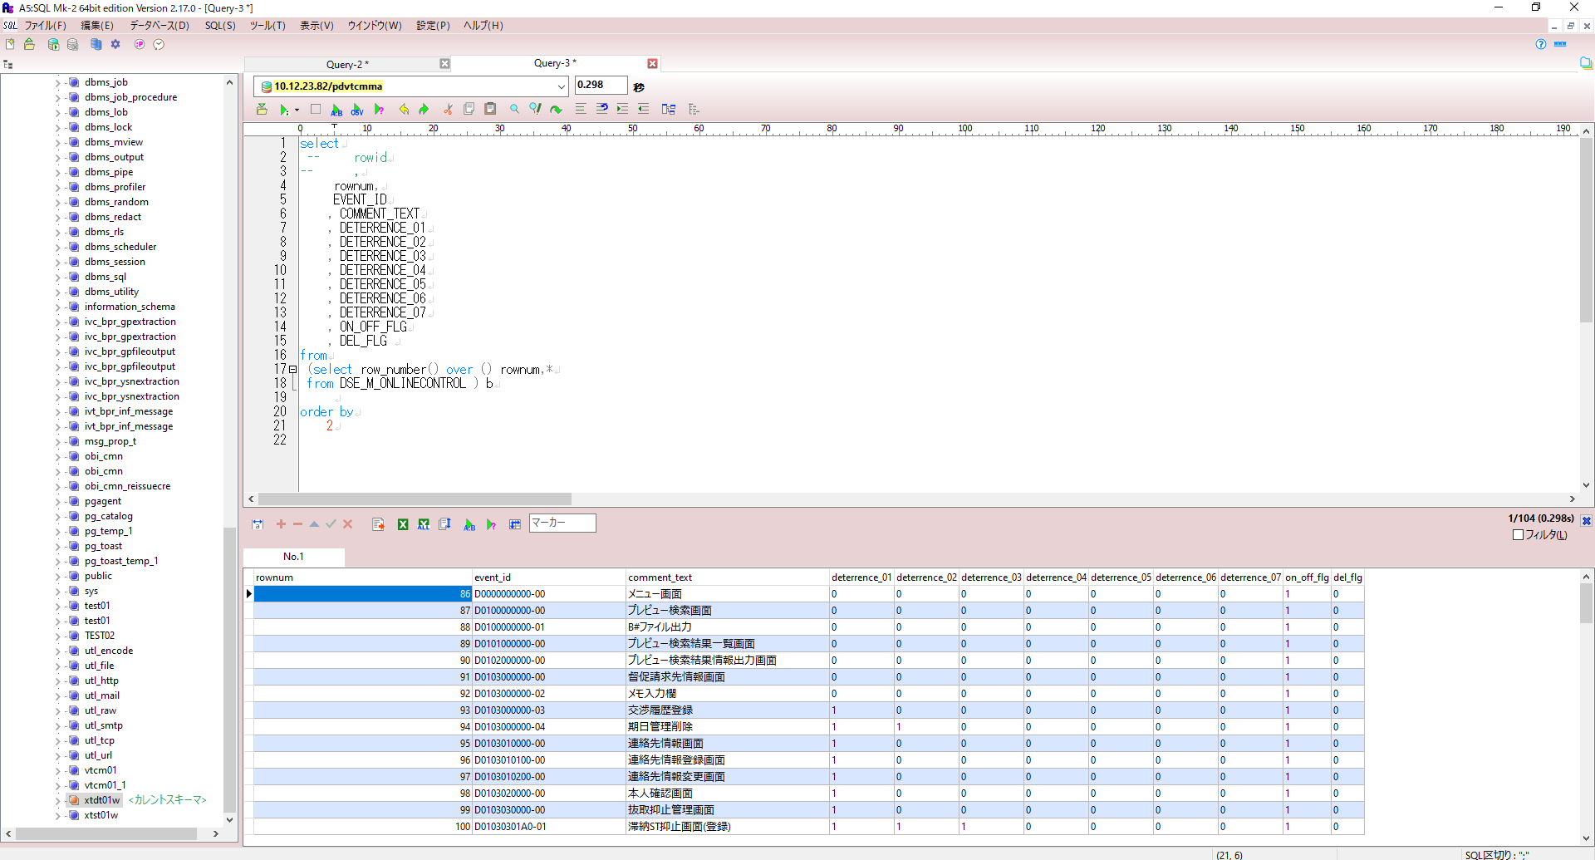
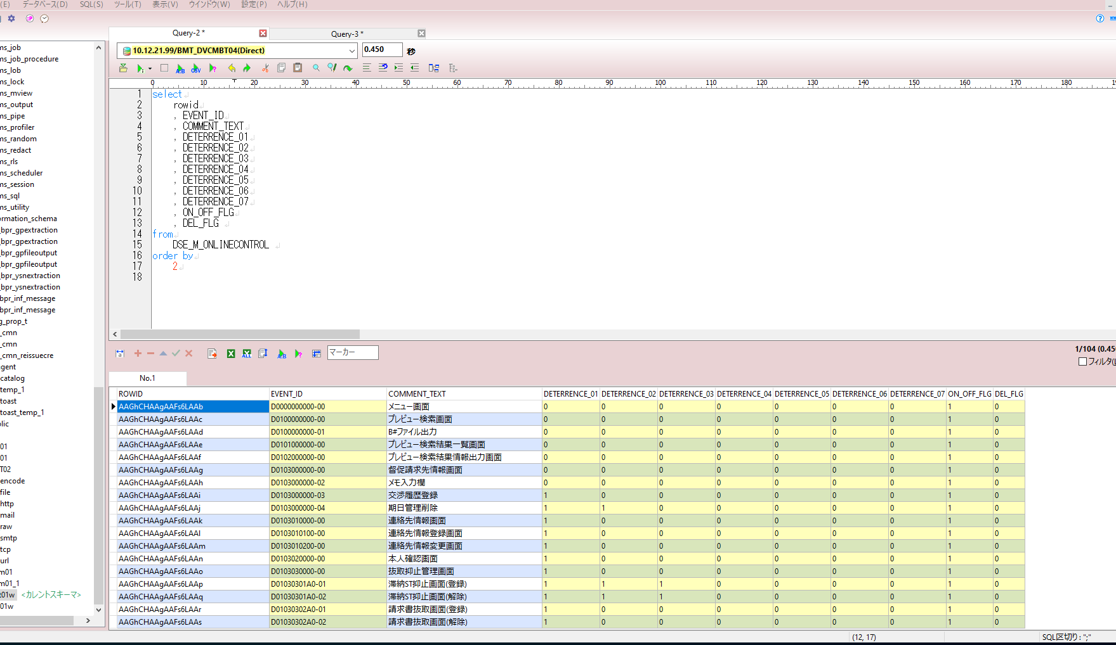

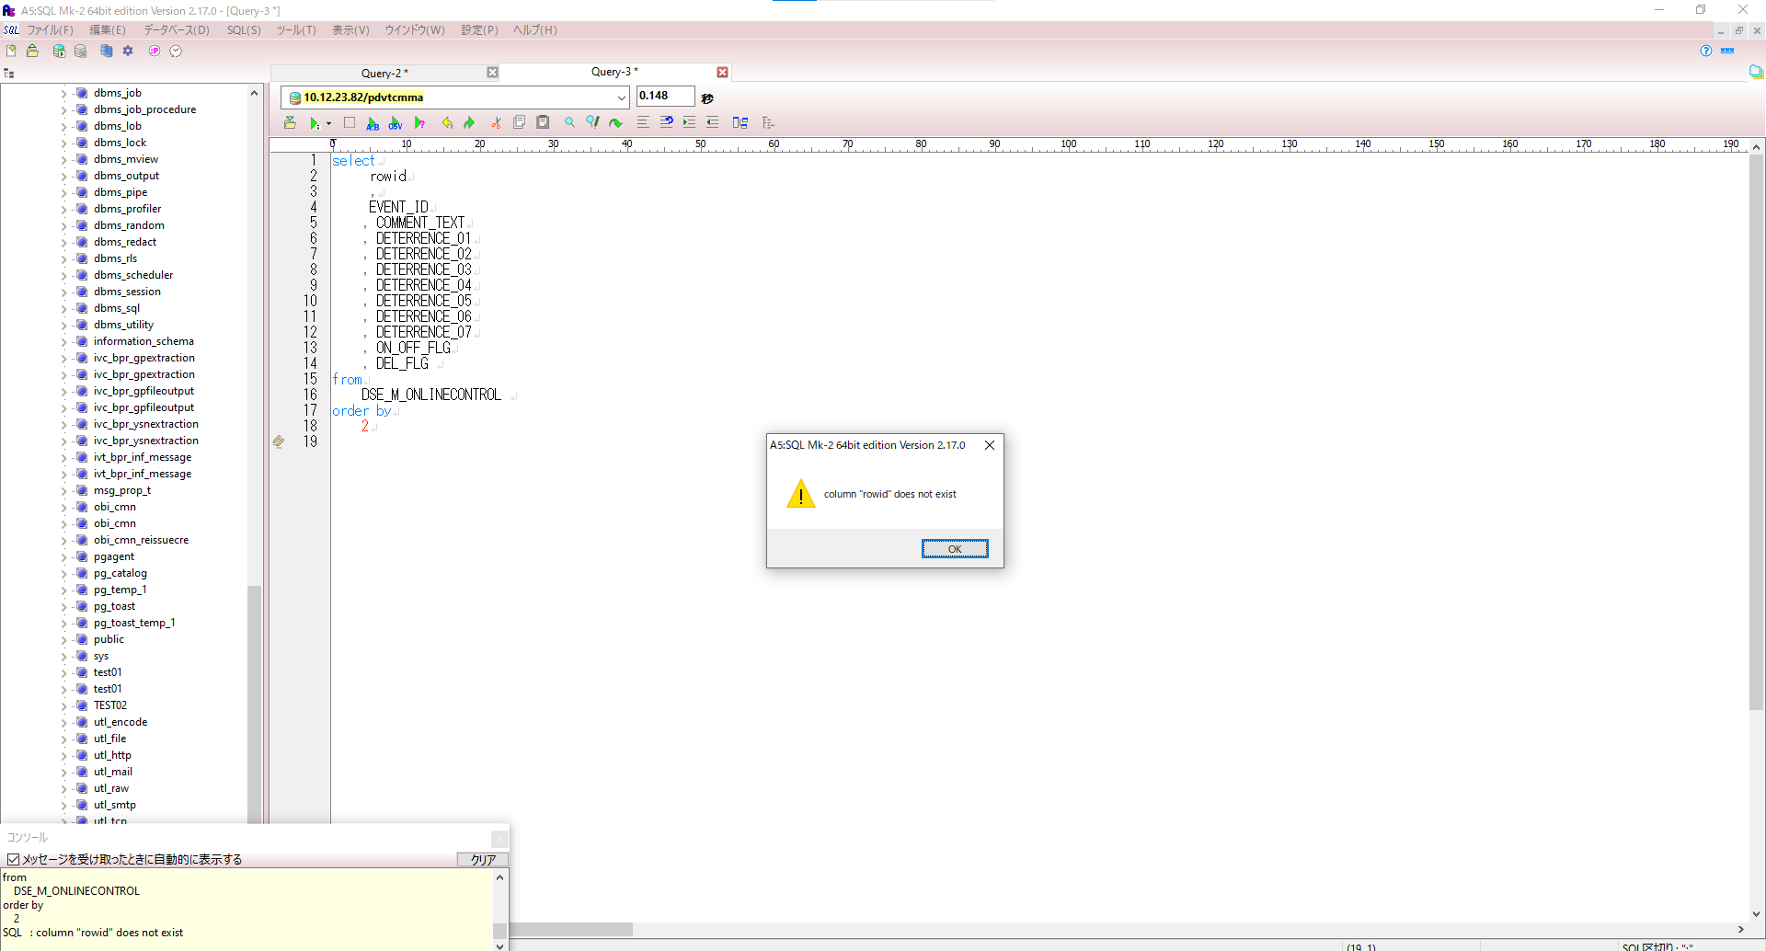

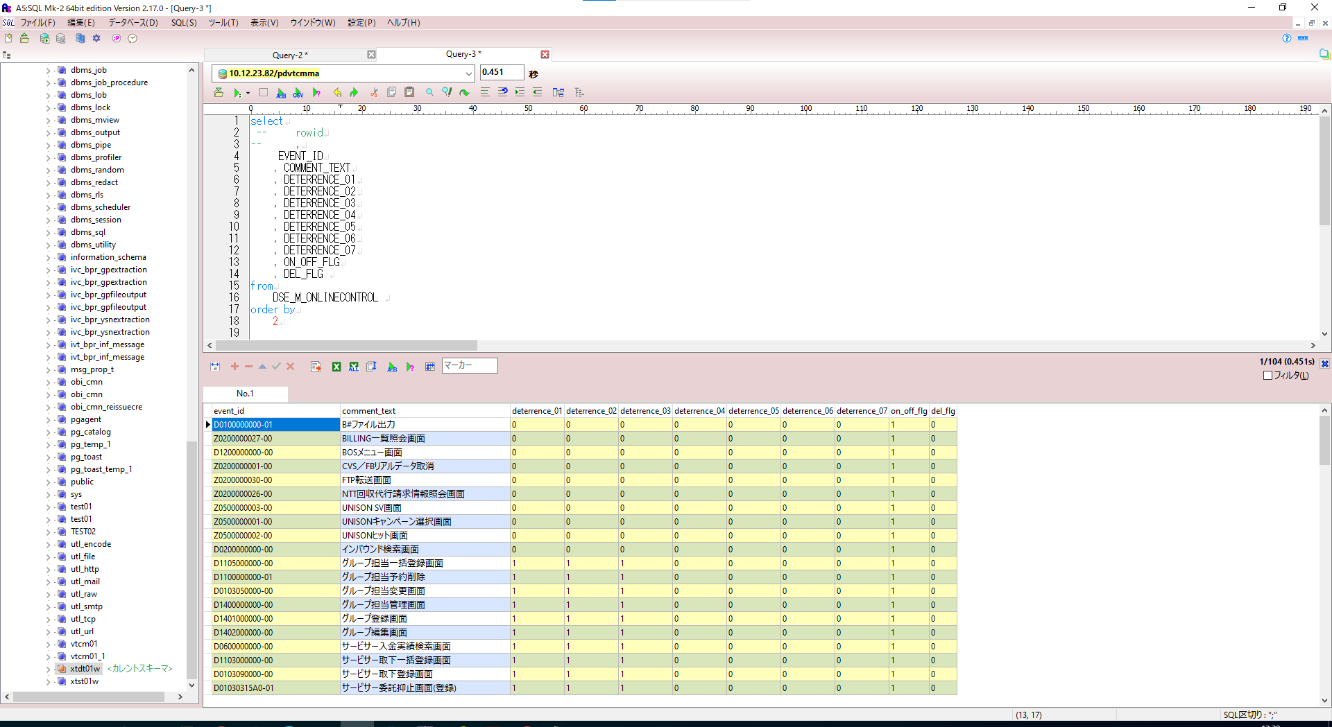

https://www.enterprisedb.com/blog/oracle-postgresql-rownum-and-rowid
We can gain access to the rownum by wrapping the query as a sub query:

Sheet4
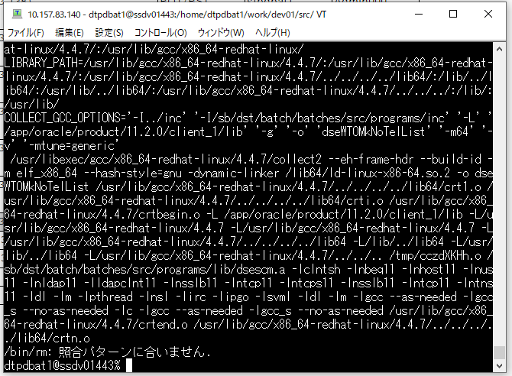
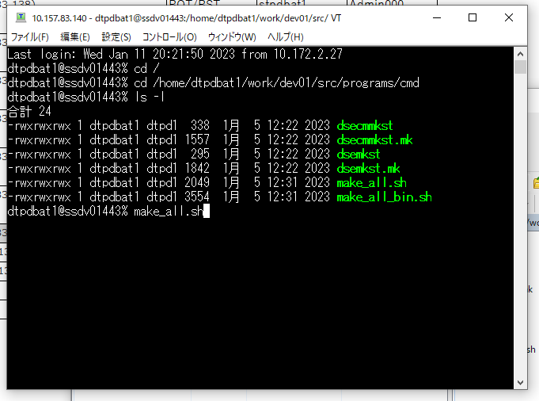
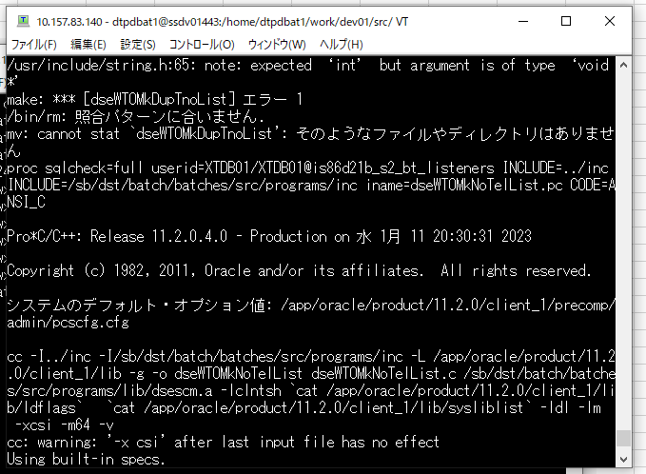

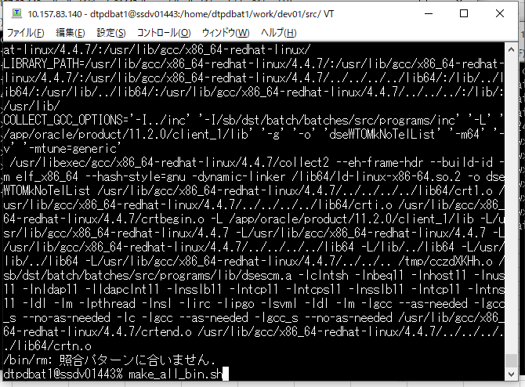
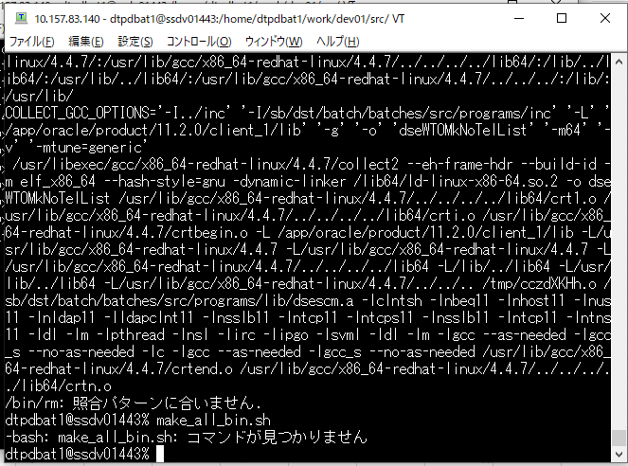

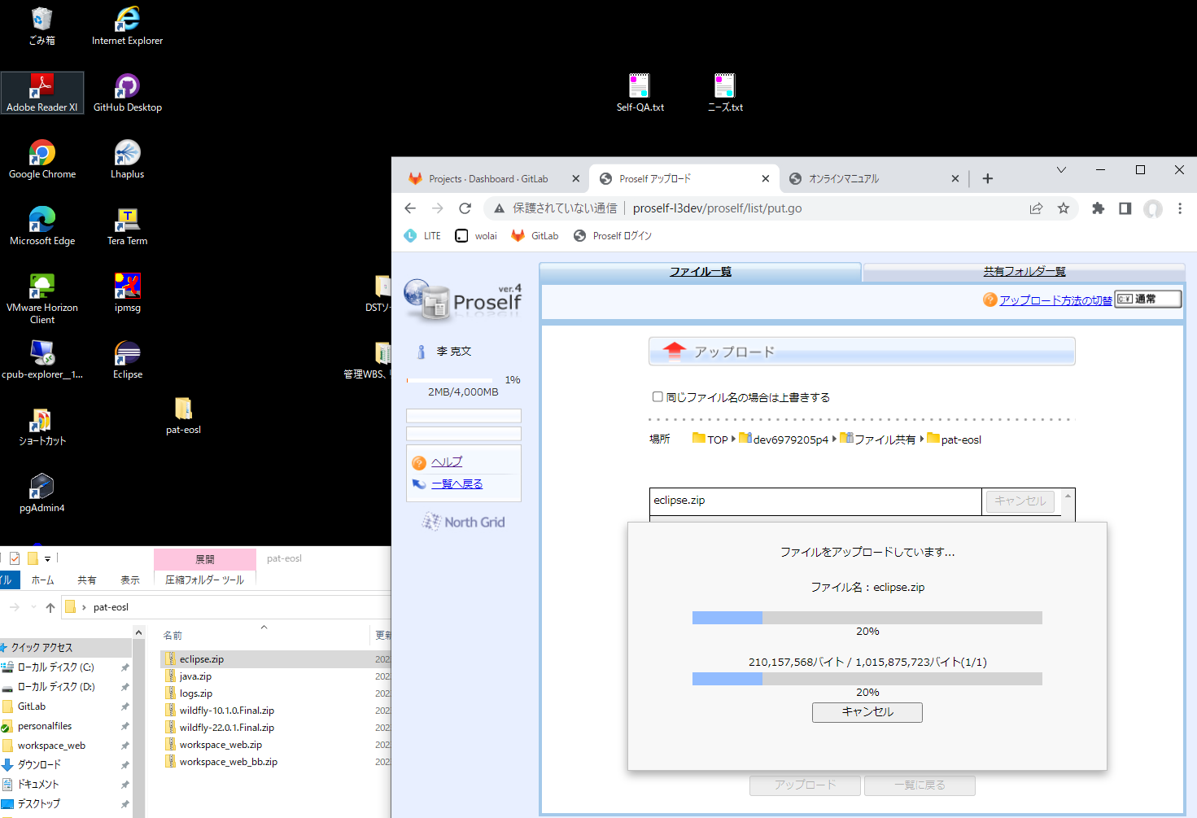
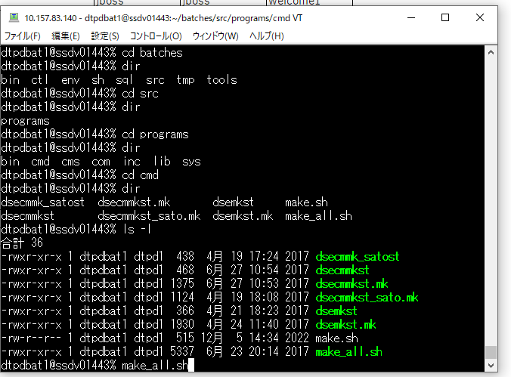

Sheet5
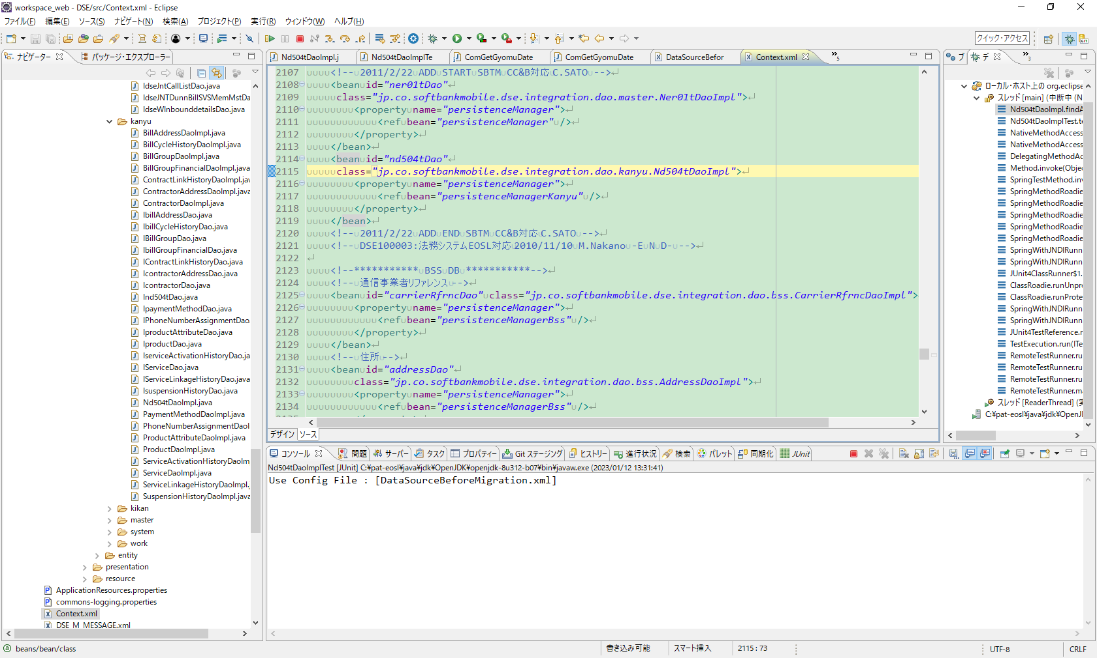
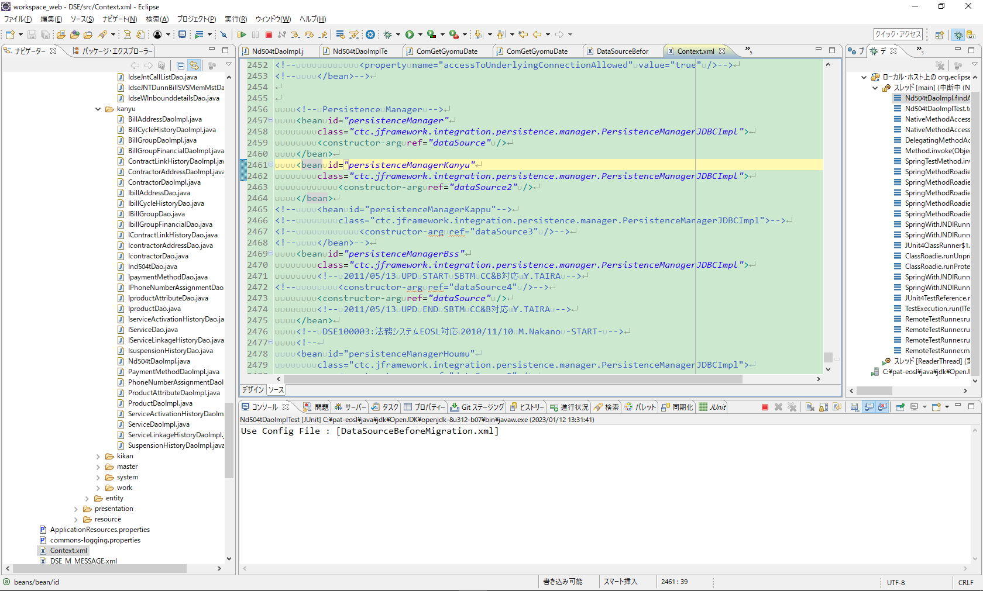
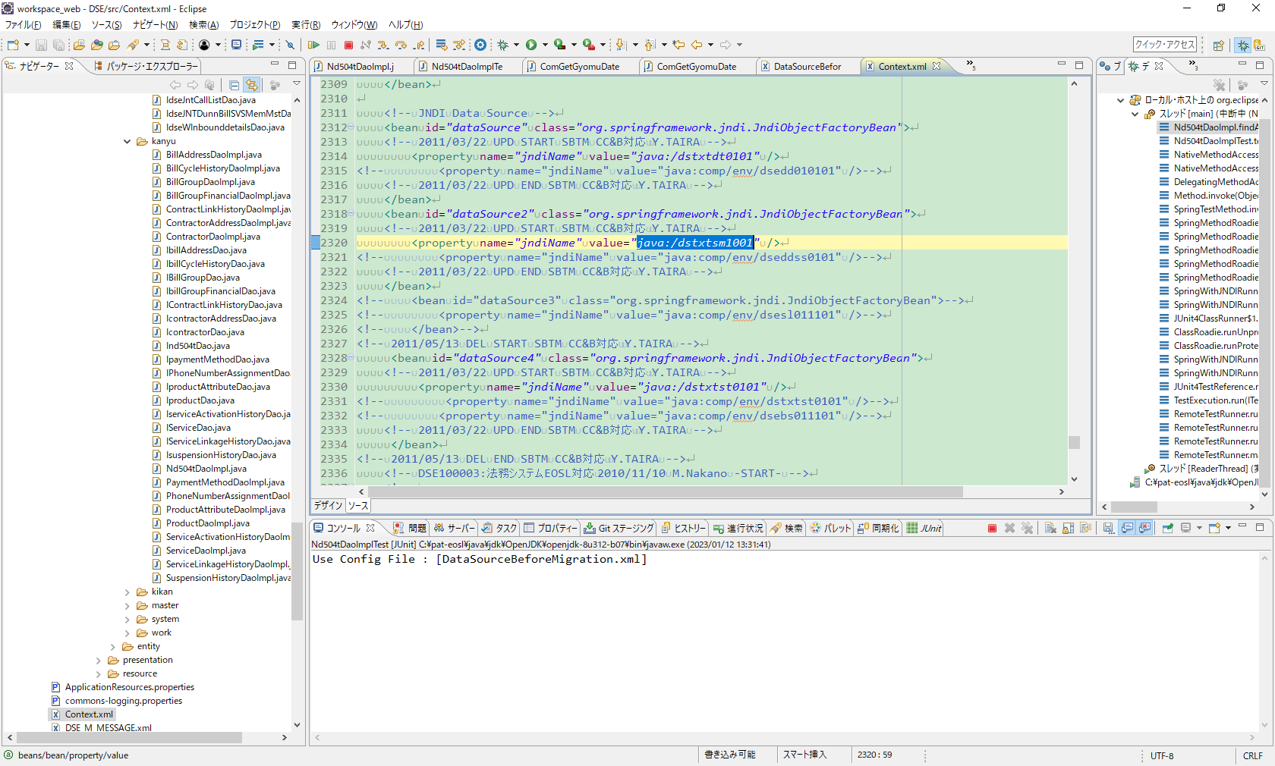
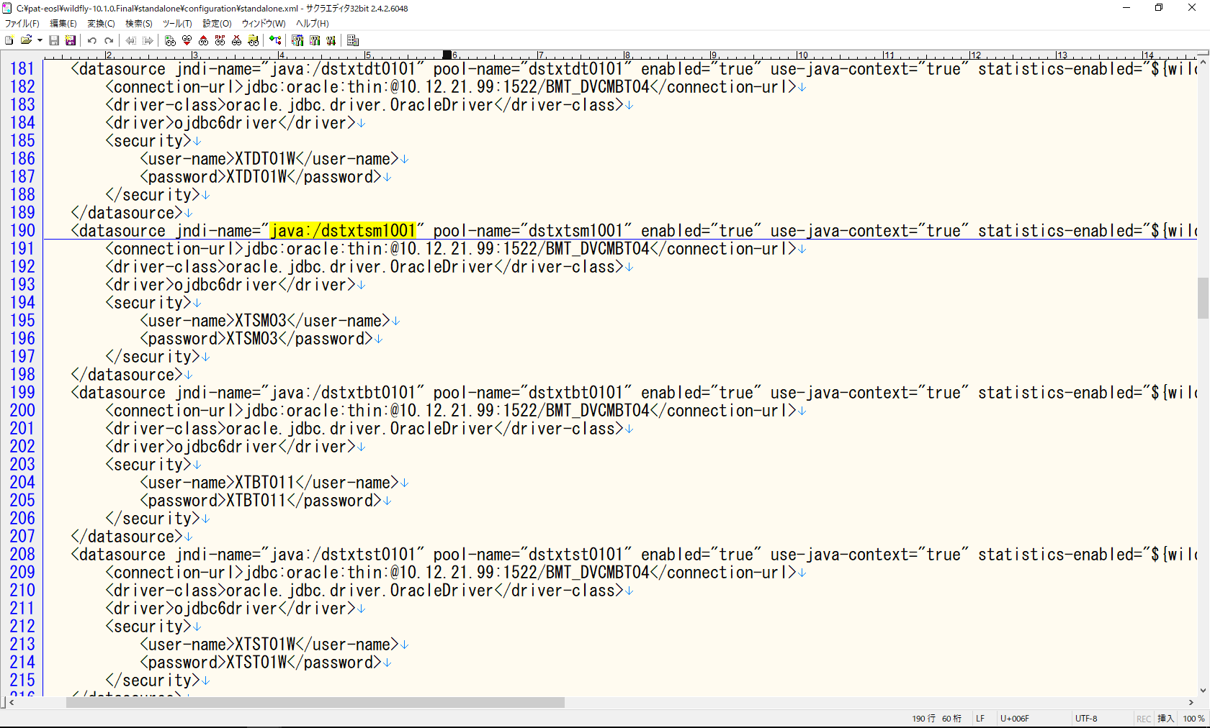
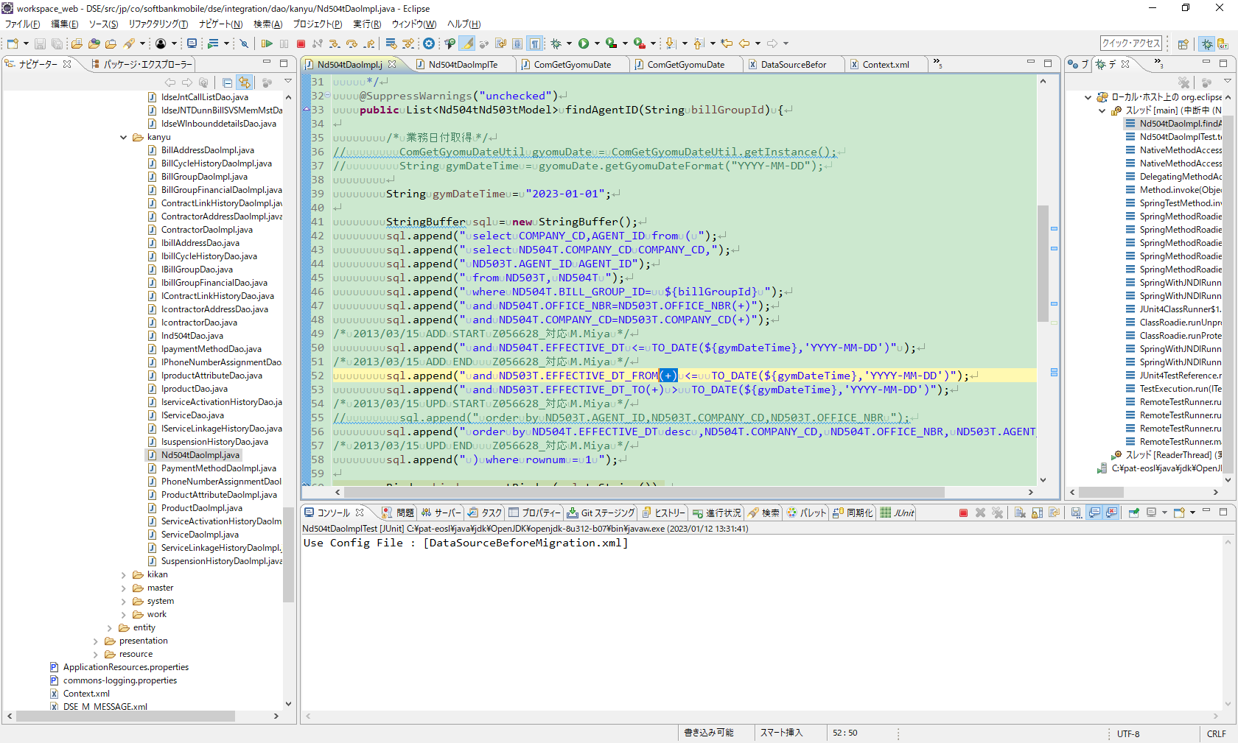

修正点あり

